Sheet1
TC__ID | Test case Description | Pre-Conditions | Test Steps | Test Data | Expected Result | Actual Result | Status | Screenshots
TC__01 | Verfiying the working functionality of Add New Module inside the Vendor Creation | User Enters the Browser and Enters URL | 1)Enter the URL 2) Enter valid credentials to log in 3) Goto Vendor Creation 4) Select Add New Module 5) First Select Account Groups other than Foreign Group 6) then Select Foreign Groups | For Logging in through valid credentials - 15367 -> Username and System123# -> Password | Indian Rupee should not be available to select when a user selects the Accounts Group of Foreign Vendors | User is able to select Indian Rupee even if the Accounts Group is of Foreign Group | Fail
TC__02 | Verfiying the working functionality of Add New Module inside the Vendor Creation | User Enters the Browser and Enters URL | 1) Enter the URL 2) Enter valid credentials to log in and inside Vendor Creation 3) Select Add New Box and Enter two Same names inside the Name Boxes 4) Enter name first inside second Box and then Enter Name inside the First Box | For Logging in through valid credentials - 15367 -> Username and System123# -> Password and Name Enter will be in Boxes like - SHUBHAM | It is clearly mentioned that user should not able to enter same names inside both the boxes | When a user enters first data inside the second name box an then inside the first name box then user can successfully enter the data | Fail
TC__03 | Verfiying the working functionality of Add New Module inside the Vendor Creation | User Enters the Browser and Enters URL | 1) Enter the URL 2) Enter valid credentials to log in and move inside Vendor Creation 3) Select Add New Box 4)Select any accounts group or don't select Accounts group 5) Enter any invalid format of Email Id | Email Id - shubhamgupta221@gmail.........com | If email id format is wrong then it shouldn't get verified as right | User is able to see clearly that the wrong email format has also been verified | Fail | 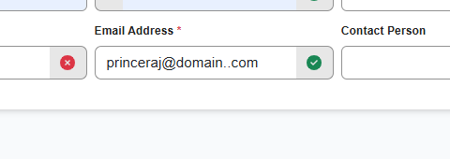
TC__04 | Verfiying the working functionality of Add New Module inside the Vendor Creation | User Enters the Browser and Enters URL | 1) Enter the URL 2) Enter valid credentials to log in and inside Vendor Creation 3) Select Add New Box 4) Enter any data inside name 2 box 5) Press BackButton | All Entered data should get deleted or removed once the back button is pressed | User is able to delete only when they are selecting the data all at once | User is able to delete only when they are selecting the data all at once and not able to delete it normally by pressing the Back Button one by one | Fail | 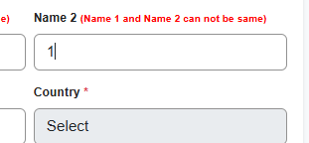
TC__05 | Verfiying the working functionality of Add New Module inside the Vendor Creation | User Enters the Browser and Enters URL | 1) Enter the URL 2) Enter valid credentials to log in and inside Vendor Creation 3) Select Add New Box 4) Select any Account Group leaving the Foreign Groups 5) Select State and Enter the Valid Pincode | Enter pincode - 800012 | All Data Entered should get removed when we shift to foreign Account Groups and if a data is remaining then it should get changed to invalid and shouldn't be verified | Data leaving pincode and email id has been changed to default and even when there is postal code range then also it is verified | Fail
TC__06 | Verfiying the working functionality of Add New Module inside the Vendor Creation | User Enters the Browser and Enters URL | 1) Enter the URL 2) Enter valid credentials to log in and inside Vendor Creation 3) Select Add New Box 4) Select any Account Groups other than Foreign 5) Select State and Enter Pincode 6) Select Foreign Account Groups After Entering the pincode | Enter pincode - 800012 | We should not be able to Enter the Pincode unless we have selected the state or country | We are able to enter the pincode without selecting anything and also the pincode is verified | 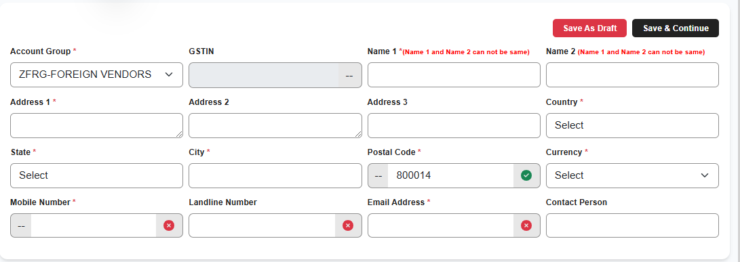 Fail
TC__07 | Verfiying the working functionality of Add New Module inside the Vendor Creation | User Enters the Browser and Enters URL | 1) Enter the URL 2) Enter valid credentials to log in and inside Vendor Creation 3) Select Add New Box 4) Select any Account Groups other than Foreign 5) Select State and Enter Pincode 6) Select Foreign Account Groups After Entering the pincode 7) Select all pincode words at once and delete it or remove it | Enter pincode - 800012 | If pincode is verified then it must get unverified after removing the data | That verification tick is still showing as if it is verified | Fail | 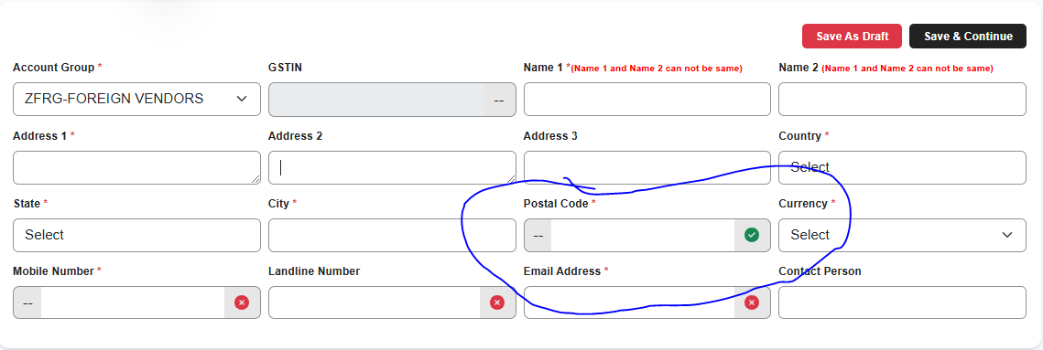
TC__08 | Verfiying the working functionality of Add New Module inside the Vendor Creation | User Enters the Browser and Enters URL | 1) Enter the URL 2) Enter valid credentials to log in and inside Vendor Creation 3) Select Add New Box 4) Select any Account Group 5) Enter an invalid telephone number | Enter Telephoe Number Like - 00000000 | It mustn't be verified | It is showing as verified | Fail

